3
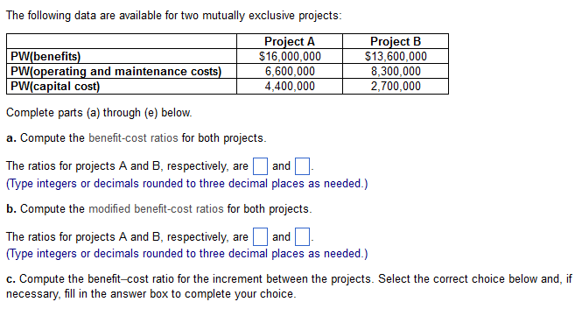

 | PW: | A | B
 | benefit | 16,000,000 | 13,600,000
 | op and m | 6,600,000 | 8,300,000
 | capital | 4,400,000 | 2,700,000

a)
 | BCR | 1.45 | 1.24

b)
 | MBCR: | 2.14 | 1.96

c)
 | #DIV/0! | (can be undef)

d) | PW: | 5,000,000 | 2,600,000

 | A > B? | TRUE

5
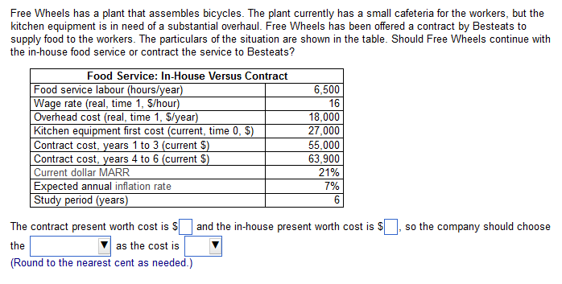

in house: |  |  |  | marr: | 21% | contrast:
hr/yr | 6500 |  |  | f | 7% | N: |  | p/a: | p:
$/hr | 16 |  |  | I nom: | 29.4700% | 0 |  | 0 | 0
$/yr | 18000 |  |  | N | 6 | 1 | 55000 | 0.77237970186 | 42480.883602
equip: | 27000 |  |  |  |  | 2 | 55000 | 1.3689501057 | 75292.255814
 |  |  |  |  |  | 3 | 55000 | 1.8297289764 | 100635.0937
$/yr: | 122000 | p/a: | 2.6728294277 |  |  | 4 | 63900 | 2.1856252231 | 139661.45176
 |  |  |  |  |  | 5 | 63900 | 2.4605122601 | 157226.73342
p: | 353085.19018 |  |  |  |  | 6 | 63900 | 2.6728294277 | 170793.80043

 |  |  |  |  |  |  |  |  | 686090.21872

11
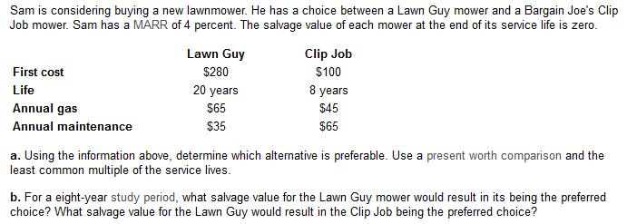

Lawn guy: |  |  |  | Clip:
N: | 20 | gas: | 65 | N: | 8 | gas: | 45
 |  | main: | 35 |  |  | main: | 65
 |  | T annual: | 100 |  |  | T annual: | 110

 | LCM: | 40

N: | p/f: | p:
0
20
40

Sheet6
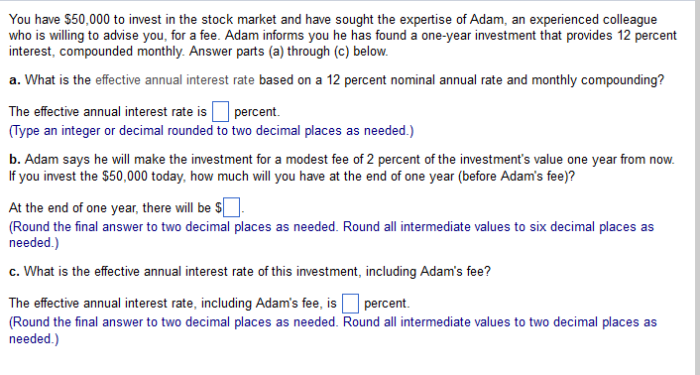

a)

nom i: | 12%
N: | 12

EAR: | 12.68%

b)

I mth: | 1.00%
$ invest: | 50000

56341.25 | 1.1268

c)
adams: | 2%

net: | 55214.4

r: | 10.43%

ear: | 10.94%

